Arkusz1
 | #4 / problem set 1 |  |  | by | Kit Sin Leung

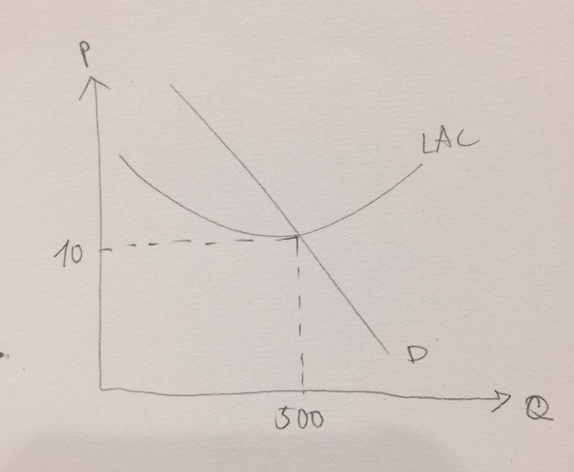
 | LAC(q) | = | 25/q + q
 | SMC(q) | = | 4q - 10
Demand: | Q(P) | = | 510 - P

A) |  |  | LAC'(q) | = | ( 25/q + q )' | = | 0
 |  |  |  |  | (-25/q^2) + 1 | = | 0
 |  |  |  |  | q* | = | 5
 | P* = min LAC(q) |  | p* | = | LAC(5) | = | (25/5) + 5
 |  |  |  |  | p* | = | 10

 |  |  | n * q | = | Qs = Qd | = | 510 - P*
 |  |  |  |  |  | = | 510 - 10
 |  |  | 5n | = |  | = | 500
 |  |  | n* | = |  | = | 100

 | P* = 10 |  | n* = 100 |  | Q* = 500

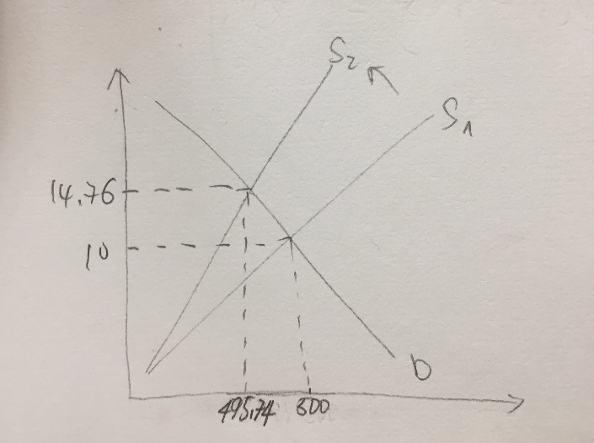
B) | SMC(q) = 4q -10 = P |  |  |  | SMC(q) | = | 4q - 10
 | n = 100 |  |  |  | P | = | 4 (Q/100) -10
 | q = (Q/100) |  |  |  | P | = | 0.04Q -10
 |  |  |  |  | ( P + 10) / 0.04 | = | Q
 |  |  |  |  | Q | = | 25P + 250
 | supply decrease 20% : |  |  |  | Qs' | = | (25P + 250) * (1-0.2)
 |  |  |  |  |  | = | 20P + 200
 | new equilibrium : |  |  |  | Qd | = | Qs
 |  |  |  |  | 510 - P | = | 20P + 200
 |  |  |  |  | 310 | = | 21P
 |  |  |  |  | P* | = | 14.76
 |  |  |  |  | Q* | = | 495.24
 |  |  |  |  | q* | = | 4.95

